Detailed_Regression
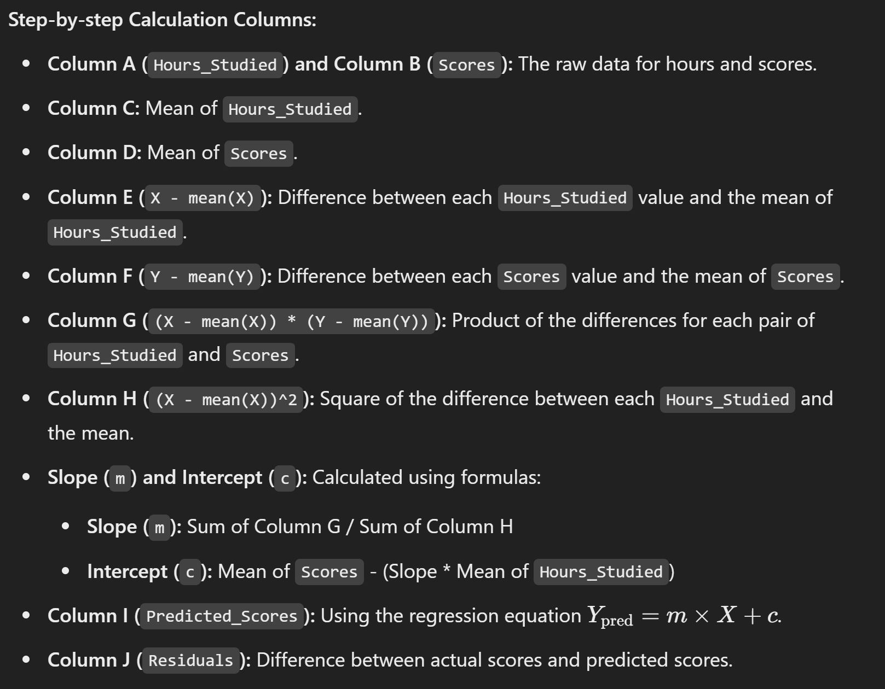
Linear Regression Maths (Y=mx+c)
Hours_Studied | Scores | Mean_Hours | Mean_Scores | X_minus_meanX | Y_minus_meanY | X_minus_meanX_times_Y_minus_meanY | X_minus_meanX_squared | Predicted_Scores | Residuals | Slope (m): | Intercept (c):
1 | 15 | 5.5 | 46.5 | -4.5 | -31.5 | 141.75 | 20.25 | 13.909090909 | 1.0909090909 | 7.2424242424 | 6.6666666667
2 | 20 | 5.5 | 46.5 | -3.5 | -26.5 | 92.75 | 12.25 | 21.151515152 | -1.1515151515 | Equation: | Y = 7.24 * X + 6.67
3 | 30 | 5.5 | 46.5 | -2.5 | -16.5 | 41.25 | 6.25 | 28.393939394 | 1.6060606061
4 | 35 | 5.5 | 46.5 | -1.5 | -11.5 | 17.25 | 2.25 | 35.636363636 | -0.63636363636
5 | 40 | 5.5 | 46.5 | -0.5 | -6.5 | 3.25 | 0.25 | 42.878787879 | -2.8787878788
6 | 50 | 5.5 | 46.5 | 0.5 | 3.5 | 1.75 | 0.25 | 50.121212121 | -0.12121212121
7 | 60 | 5.5 | 46.5 | 1.5 | 13.5 | 20.25 | 2.25 | 57.363636364 | 2.6363636364
8 | 65 | 5.5 | 46.5 | 2.5 | 18.5 | 46.25 | 6.25 | 64.606060606 | 0.39393939394
9 | 70 | 5.5 | 46.5 | 3.5 | 23.5 | 82.25 | 12.25 | 71.848484848 | -1.8484848485
10 | 80 | 5.5 | 46.5 | 4.5 | 33.5 | 150.75 | 20.25 | 79.090909091 | 0.90909090909
 |  |  |  |  |  | 597.5 | 82.5
Linear Regression: Hours Studied vs. Scores

